Overview
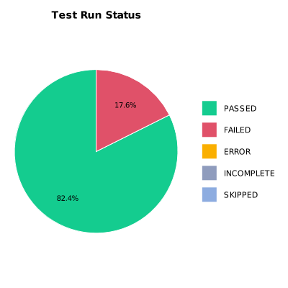
EXECUTION SUMMARY
Test Run ID | 1059
Status | FAILED
Organization | FIT@HCMUS
Team | First Team
Project | First Project
By | Cao Qui
Start Time | 01/08/2024 16:24:16 +00:00
Duration | 0:02:51.464

TEST RESULTS
Total test results | 17
Passed | 14
Failed | 3
Error | 0
Incomplete | 0
Skipped | 0

